MetcalfeModel3
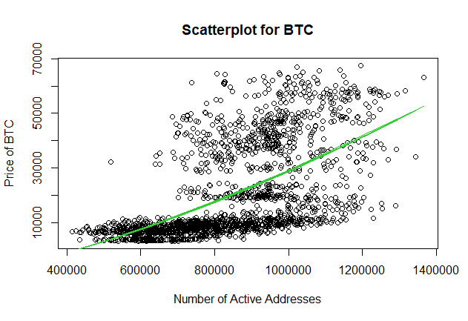
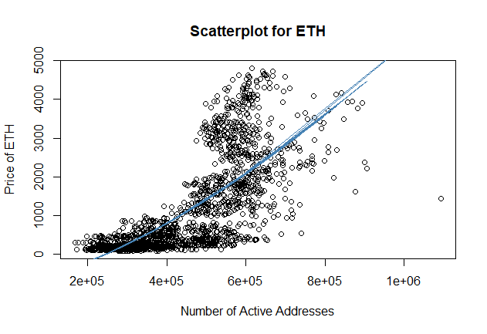
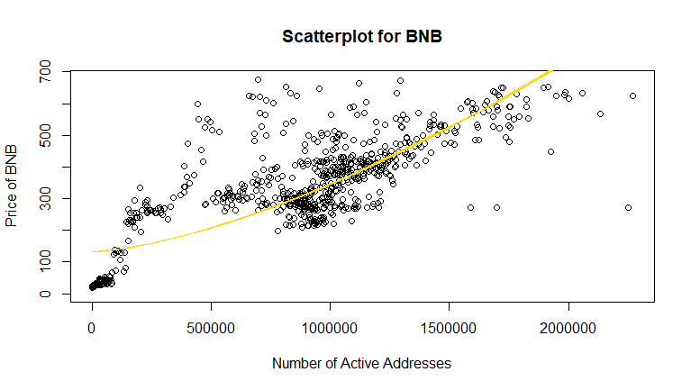
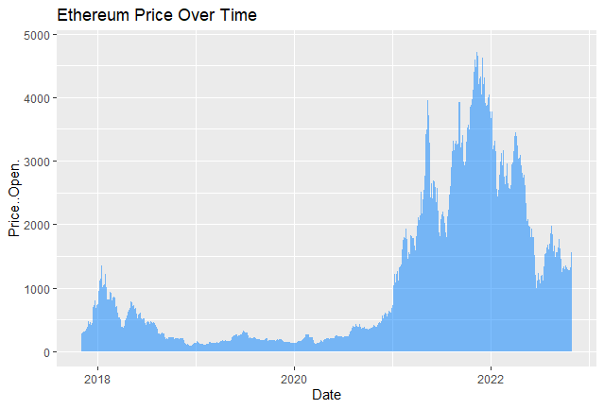
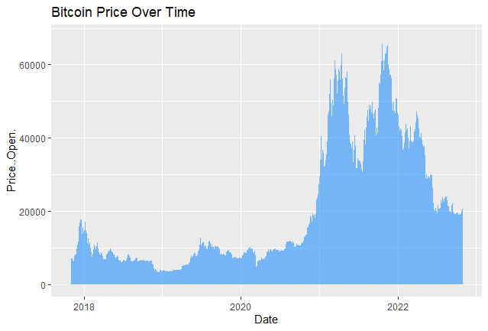
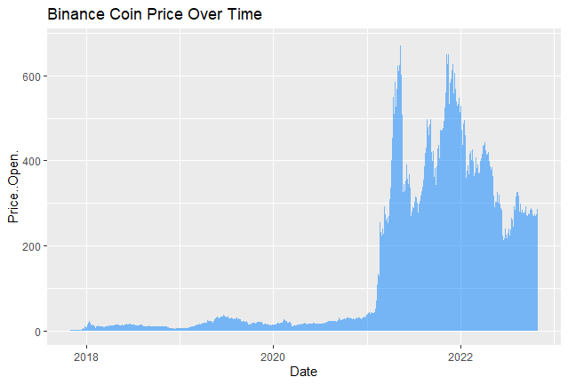
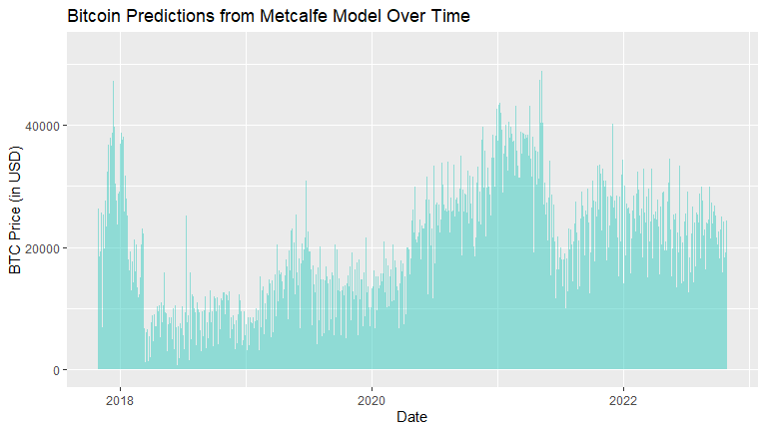
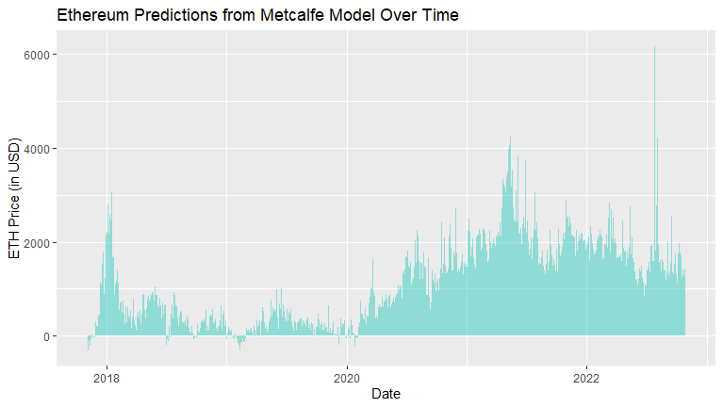
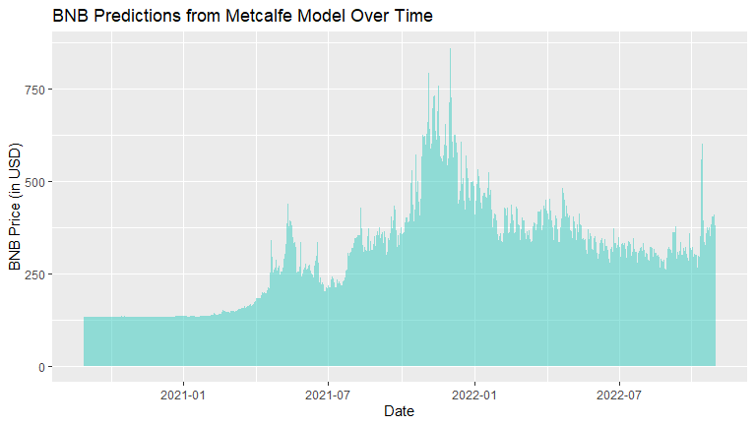
Metcalfe's Law | Bitcoin (BTC) | Ethereum (ETH) | Binance Coin (BNB)
Current Active Addresses (Avg Month) | 889357.3 | 512371.4 | 1051770.6
Equation (NV = C*n^1.5) | NV = -10900+3.97e-05*n^1.5 | NV = -729+6.04e-06*n^1.5 | NV = 133+2.13e-07*n^1.5
Current Estimated Price (in $) | 22396.98558 | 1486.2067113 | 362.75297506

